Notes
Load reductions beyond Phase III Planning Targets, Depending on allocation method selected by the WQGIT
First presented to the Modeling Workgroup 4/7/2020
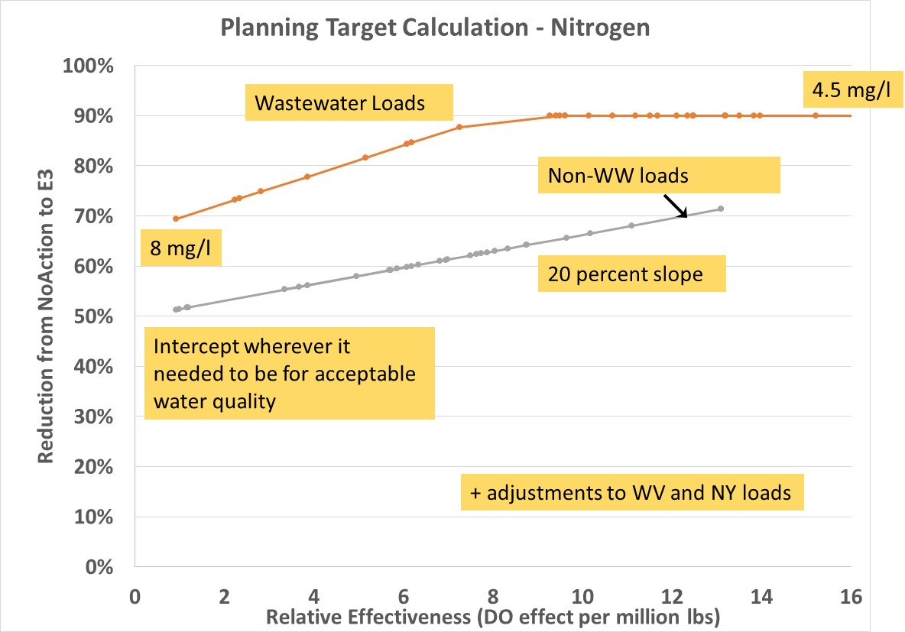
Types of allocation | Heading | Meaning
Include WWTP | Non-WWTP | Increase 'Non-WW loads' from chart at right
 | All Sources | increase both lines

DU | DWDC | Based on Deep Water and Deep Channel only
 | OWDWDC | Based on all designated uses
 | OW | Based on Open Water only

Year | 2025 | 2025 climate
 | 2035 | 2035 climate

Loads First | All allocation | Allocation based only on chart at right
 | Loads First | Jurisdictions reduce climate-increased loads first then remaining allocations based on chart

Nutrient | TN | TN
 | TP | TP

Note 1: | DWDC | For both N and P, the 'all sources' reduction is equal to the 'non-WWTP' reduction
 | 2025 | because the load reduction by the juridictions meets the water quality standards goal
 | Loads First | Since there is no allocation based on the chart, the loads are equal
 |  | If the WQGIT selects this option, the WQGIT could decide to divide a negative allocation of approximately
 |  | 0.025 million lbs TN and 0.0017 million lbs TP between the juridictions according to the allocation curves

