Notes
Load reductions beyond Phase III Planning Targets, Depending on allocation method selected by the WQGIT
Same loads as presented in April MWG and May WQGIT with additional options specified in May WQGIT
Calculated in 'Planning Targets 2020 06 02 Climate Scoping Runs Calc'
and 'Assimilative Capacity Climate Effect 2020 06 02'

Types of allocation | Heading | Meaning
WWTP Scenario | NPS only | Increase only 'Non-WW loads' from chart at right, TN and TP raise by the same percentage
 | NPS+PS | increase both WWTP and non-WWTP lines equally
 | 6 and 4.5 | Set WWTP TN line at 6 and 4.5 mg/l rather than 8 and 4.5, TP limits moved proportionally to the distance from E3
 | 6 and 4 | Set WWTP TN line at 6 and 4 mg/l rather than 8 and 4.5, TP limits moved proportionally to the distance from E3
 | 8 and 4 | Set WWTP TN line at 8 and 4 mg/l rather than 8 and 4.5, TP limits moved proportionally to the distance from E3
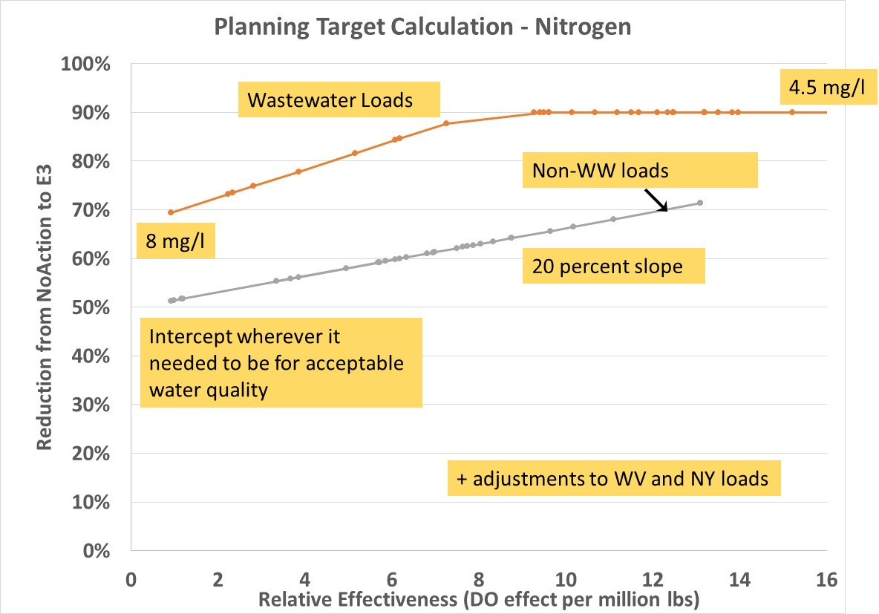
Year | 2025 | 2025 climate
 | 2035 | 2035 climate

Loads First | All allocation | Allocation based only on chart at right
 | Loads First | Jurisdictions reduce climate-increased loads first then remaining allocations based on chart

Nutrient | TN | TN
 | TP | TP
 | Combined | Combined N and P in units of N, using the approved exchange ratios

Note 1: | 2025 | For both N and P, the 'all sources' reduction is equal to the 'non-WWTP' reduction
 | Loads First | because the load reduction by the juridictions meets the water quality standards goal
 |  | Since there is no allocation based on the chart, the loads are equal
 |  | If the WQGIT selects this option, the WQGIT could decide to divide a negative allocation of approximately
 |  | 0.025 million lbs TN and 0.0017 million lbs TP between the juridictions according to the allocation curves

